En_3_FA-TEOS
Term | Estimate | Std Error | No. add TEOs | 3
Intercept | 0.5894843 | 0.063955 |  |  |  | TEOS (mol) (going across)
TEOS(mmol) | -0.085355 | 0.018045 | NH4OH (mol) |  | 0.16 | 0.18 | 0.2 | 0.22 | 0.24 | 0.26
NH4OH (mmol) | -0.192963 | 0.044191 | going down | 0.13 | 0.49689448037 | 0.49518738037 | 0.49348028037 | 0.49177318037 | 0.49006608037 | 0.48835898037
Add TEOS | 0.0020194 | 0.008807 |  | 0.15 | 0.49535356517 | 0.49364646517 | 0.49193936517 | 0.49023226517 | 0.48852516517 | 0.48681806517
(NH4OH (mmol)-0.6468)*(Add TEOS-5.76) | -0.041999 | 0.021325 |  | 0.17 | 0.49381264997 | 0.49210554997 | 0.49039844997 | 0.48869134997 | 0.48698424997 | 0.48527714997
 |  |  |  | 0.19 | 0.49227173477 | 0.49056463477 | 0.48885753477 | 0.48715043477 | 0.48544333477 | 0.48373623477
 |  |  |  | 0.21 | 0.49073081957 | 0.48902371957 | 0.48731661957 | 0.48560951957 | 0.48390241957 | 0.48219531957
TEOS (mmol) |  |  |  | 0.23 | 0.48918990437 | 0.48748280437 | 0.48577570437 | 0.48406860437 | 0.48236150437 | 0.48065440437
NH4OH (mmol) | 0.6468 |  |  | 0.25 | 0.48764898917 | 0.48594188917 | 0.48423478917 | 0.48252768917 | 0.48082058917 | 0.47911348917
ADD | 5.76 |  |  | 0.27 | 0.48610807397 | 0.48440097397 | 0.48269387397 | 0.48098677397 | 0.47927967397 | 0.47757257397
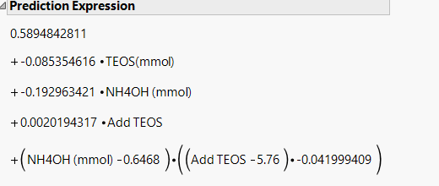
 |  |  |  | 0.29 | 0.48456715877 | 0.48286005877 | 0.48115295877 | 0.47944585877 | 0.47773875877 | 0.47603165877
 |  |  |  | 0.31 | 0.48302624357 | 0.48131914357 | 0.47961204357 | 0.47790494357 | 0.47619784357 | 0.47449074357
 |  |  |  | 0.33 | 0.48148532837 | 0.47977822837 | 0.47807112837 | 0.47636402837 | 0.47465692837 | 0.47294982837
 |  |  |  | 0.35 | 0.47994441317 | 0.47823731317 | 0.47653021317 | 0.47482311317 | 0.47311601317 | 0.47140891317
 |  |  |  | 0.37 | 0.47840349797 | 0.47669639797 | 0.47498929797 | 0.47328219797 | 0.47157509797 | 0.46986799797
 |  |  |  | 0.39 | 0.47686258277 | 0.47515548277 | 0.47344838277 | 0.47174128277 | 0.47003418277 | 0.46832708277
 |  |  |  | 0.41 | 0.47532166757 | 0.47361456757 | 0.47190746757 | 0.47020036757 | 0.46849326757 | 0.46678616757
 |  |  |  | 0.43 | 0.47378075237 | 0.47207365237 | 0.47036655237 | 0.46865945237 | 0.46695235237 | 0.46524525237
 |  |  |  | 0.45 | 0.47223983717 | 0.47053273717 | 0.46882563717 | 0.46711853717 | 0.46541143717 | 0.46370433717
 |  |  |  | 0.47 | 0.47069892197 | 0.46899182197 | 0.46728472197 | 0.46557762197 | 0.46387052197 | 0.46216342197
 |  |  |  | 0.49 | 0.46915800677 | 0.46745090677 | 0.46574380677 | 0.46403670677 | 0.46232960677 | 0.46062250677
 |  |  |  | 0.51 | 0.46761709157 | 0.46590999157 | 0.46420289157 | 0.46249579157 | 0.46078869157 | 0.45908159157
 |  |  |  | 0.53 | 0.46607617637 | 0.46436907637 | 0.46266197637 | 0.46095487637 | 0.45924777637 | 0.45754067637
 |  |  |  | 0.55 | 0.46453526117 | 0.46282816117 | 0.46112106117 | 0.45941396117 | 0.45770686117 | 0.45599976117
 |  |  |  | 0.57 | 0.46299434597 | 0.46128724597 | 0.45958014597 | 0.45787304597 | 0.45616594597 | 0.45445884597
 |  |  |  | 0.59 | 0.46145343077 | 0.45974633077 | 0.45803923077 | 0.45633213077 | 0.45462503077 | 0.45291793077
 |  |  |  | 0.61 | 0.45991251557 | 0.45820541557 | 0.45649831557 | 0.45479121557 | 0.45308411557 | 0.45137701557
 |  |  |  | 0.63 | 0.45837160037 | 0.45666450037 | 0.45495740037 | 0.45325030037 | 0.45154320037 | 0.44983610037
 |  |  |  | 0.65 | 0.45683068517 | 0.45512358517 | 0.45341648517 | 0.45170938517 | 0.45000228517 | 0.44829518517
 |  |  |  | 0.67 | 0.45528976997 | 0.45358266997 | 0.45187556997 | 0.45016846997 | 0.44846136997 | 0.44675426997
 |  |  |  | 0.69 | 0.45374885477 | 0.45204175477 | 0.45033465477 | 0.44862755477 | 0.44692045477 | 0.44521335477
 |  |  |  | 0.71 | 0.45220793957 | 0.45050083957 | 0.44879373957 | 0.44708663957 | 0.44537953957 | 0.44367243957
 |  |  |  | 0.73 | 0.45066702437 | 0.44895992437 | 0.44725282437 | 0.44554572437 | 0.44383862437 | 0.44213152437
...

En_6_FA-TEOS
...
Term | Estimate | Std Error | No. add TEOs | 6
TEOS(mmol) | -0.085355 | 0.018045 | NH4OH (mol) |  | 0.16 | 0.18 | 0.2 | 0.22 | 0.24 | 0.26
NH4OH (mmol) | -0.192963 | 0.044191 | going down | 0.13 | 0.56806792997 | 0.56636082997 | 0.56465372997 | 0.56294662997 | 0.56123952997 | 0.55953242997
Add TEOS | 0.0020194 | 0.008807 |  | 0.15 | 0.56400707477 | 0.56229997477 | 0.56059287477 | 0.55888577477 | 0.55717867477 | 0.55547157477
(NH4OH (mmol)-0.6468)*(Add TEOS-5.76) | -0.041999 | 0.021325 |  | 0.17 | 0.55994621957 | 0.55823911957 | 0.55653201957 | 0.55482491957 | 0.55311781957 | 0.55141071957
 |  |  |  | 0.19 | 0.55588536437 | 0.55417826437 | 0.55247116437 | 0.55076406437 | 0.54905696437 | 0.54734986437
 |  |  |  | 0.21 | 0.55182450917 | 0.55011740917 | 0.54841030917 | 0.54670320917 | 0.54499610917 | 0.54328900917
TEOS (mmol) |  |  |  | 0.23 | 0.54776365397 | 0.54605655397 | 0.54434945397 | 0.54264235397 | 0.54093525397 | 0.53922815397
NH4OH (mmol) | 0.6468 |  |  | 0.25 | 0.54370279877 | 0.54199569877 | 0.54028859877 | 0.53858149877 | 0.53687439877 | 0.53516729877
ADD | 5.76 |  |  | 0.27 | 0.53964194357 | 0.53793484357 | 0.53622774357 | 0.53452064357 | 0.53281354357 | 0.53110644357
 |  |  |  | 0.29 | 0.53558108837 | 0.53387398837 | 0.53216688837 | 0.53045978837 | 0.52875268837 | 0.52704558837
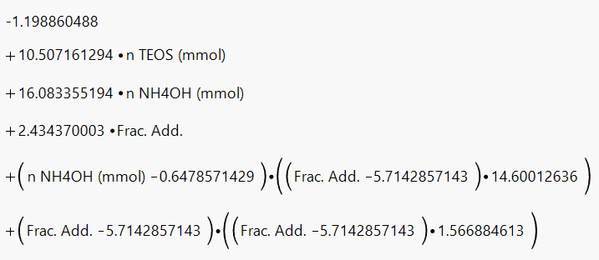
 |  |  |  | 0.31 | 0.53152023317 | 0.52981313317 | 0.52810603317 | 0.52639893317 | 0.52469183317 | 0.52298473317
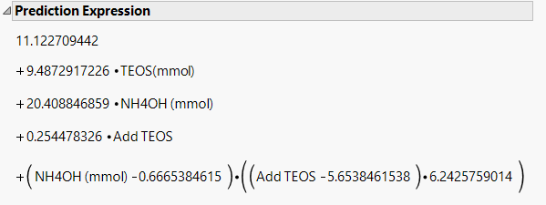
 |  |  |  | 0.33 | 0.52745937797 | 0.52575227797 | 0.52404517797 | 0.52233807797 | 0.52063097797 | 0.51892387797
 |  |  |  | 0.35 | 0.52339852277 | 0.52169142277 | 0.51998432277 | 0.51827722277 | 0.51657012277 | 0.51486302277
 |  |  |  | 0.37 | 0.51933766757 | 0.51763056757 | 0.51592346757 | 0.51421636757 | 0.51250926757 | 0.51080216757
 |  |  |  | 0.39 | 0.51527681237 | 0.51356971237 | 0.51186261237 | 0.51015551237 | 0.50844841237 | 0.50674131237
 |  |  |  | 0.41 | 0.51121595717 | 0.50950885717 | 0.50780175717 | 0.50609465717 | 0.50438755717 | 0.50268045717
 |  |  |  | 0.43 | 0.50715510197 | 0.50544800197 | 0.50374090197 | 0.50203380197 | 0.50032670197 | 0.49861960197
 |  |  |  | 0.45 | 0.50309424677 | 0.50138714677 | 0.49968004677 | 0.49797294677 | 0.49626584677 | 0.49455874677
 |  |  |  | 0.47 | 0.49903339157 | 0.49732629157 | 0.49561919157 | 0.49391209157 | 0.49220499157 | 0.49049789157
 |  |  |  | 0.49 | 0.49497253637 | 0.49326543637 | 0.49155833637 | 0.48985123637 | 0.48814413637 | 0.48643703637
 |  |  |  | 0.51 | 0.49091168117 | 0.48920458117 | 0.48749748117 | 0.48579038117 | 0.48408328117 | 0.48237618117
 |  |  |  | 0.53 | 0.48685082597 | 0.48514372597 | 0.48343662597 | 0.48172952597 | 0.48002242597 | 0.47831532597
 |  |  |  | 0.55 | 0.48278997077 | 0.48108287077 | 0.47937577077 | 0.47766867077 | 0.47596157077 | 0.47425447077
 |  |  |  | 0.57 | 0.47872911557 | 0.47702201557 | 0.47531491557 | 0.47360781557 | 0.47190071557 | 0.47019361557
 |  |  |  | 0.59 | 0.47466826037 | 0.47296116037 | 0.47125406037 | 0.46954696037 | 0.46783986037 | 0.46613276037
 |  |  |  | 0.61 | 0.47060740517 | 0.46890030517 | 0.46719320517 | 0.46548610517 | 0.46377900517 | 0.46207190517
 |  |  |  | 0.63 | 0.46654654997 | 0.46483944997 | 0.46313234997 | 0.46142524997 | 0.45971814997 | 0.45801104997
 |  |  |  | 0.65 | 0.46248569477 | 0.46077859477 | 0.45907149477 | 0.45736439477 | 0.45565729477 | 0.45395019477
 |  |  |  | 0.67 | 0.45842483957 | 0.45671773957 | 0.45501063957 | 0.45330353957 | 0.45159643957 | 0.44988933957
 |  |  |  | 0.69 | 0.45436398437 | 0.45265688437 | 0.45094978437 | 0.44924268437 | 0.44753558437 | 0.44582848437
 |  |  |  | 0.71 | 0.45030312917 | 0.44859602917 | 0.44688892917 | 0.44518182917 | 0.44347472917 | 0.44176762917
 |  |  |  | 0.73 | 0.44624227397 | 0.44453517397 | 0.44282807397 | 0.44112097397 | 0.43941387397 | 0.43770677397
 |  |  |  | 0.75 | 0.44218141877 | 0.44047431877 | 0.43876721877 | 0.43706011877 | 0.43535301877 | 0.43364591877
...

